service time printboardingpass
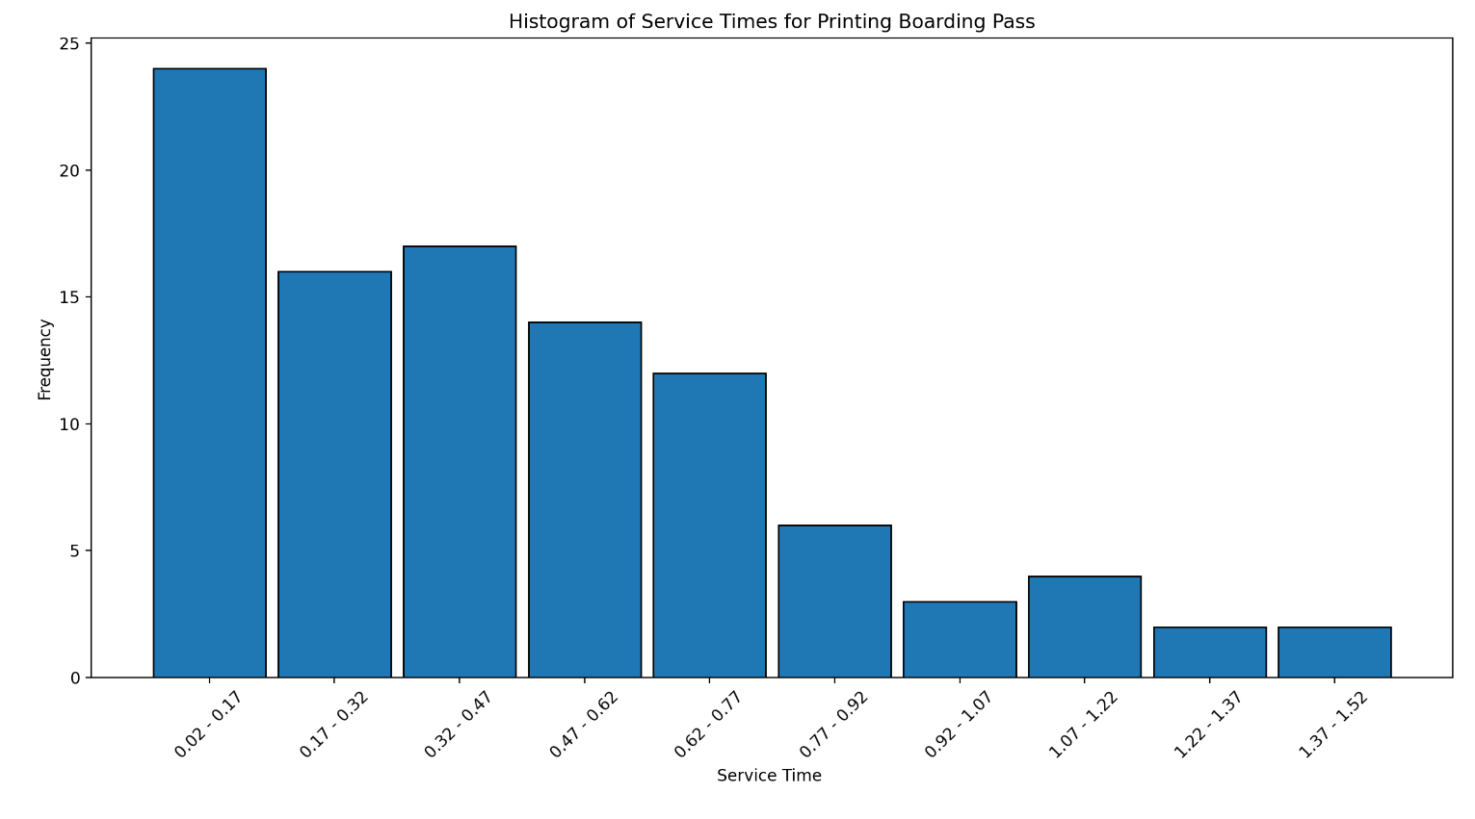
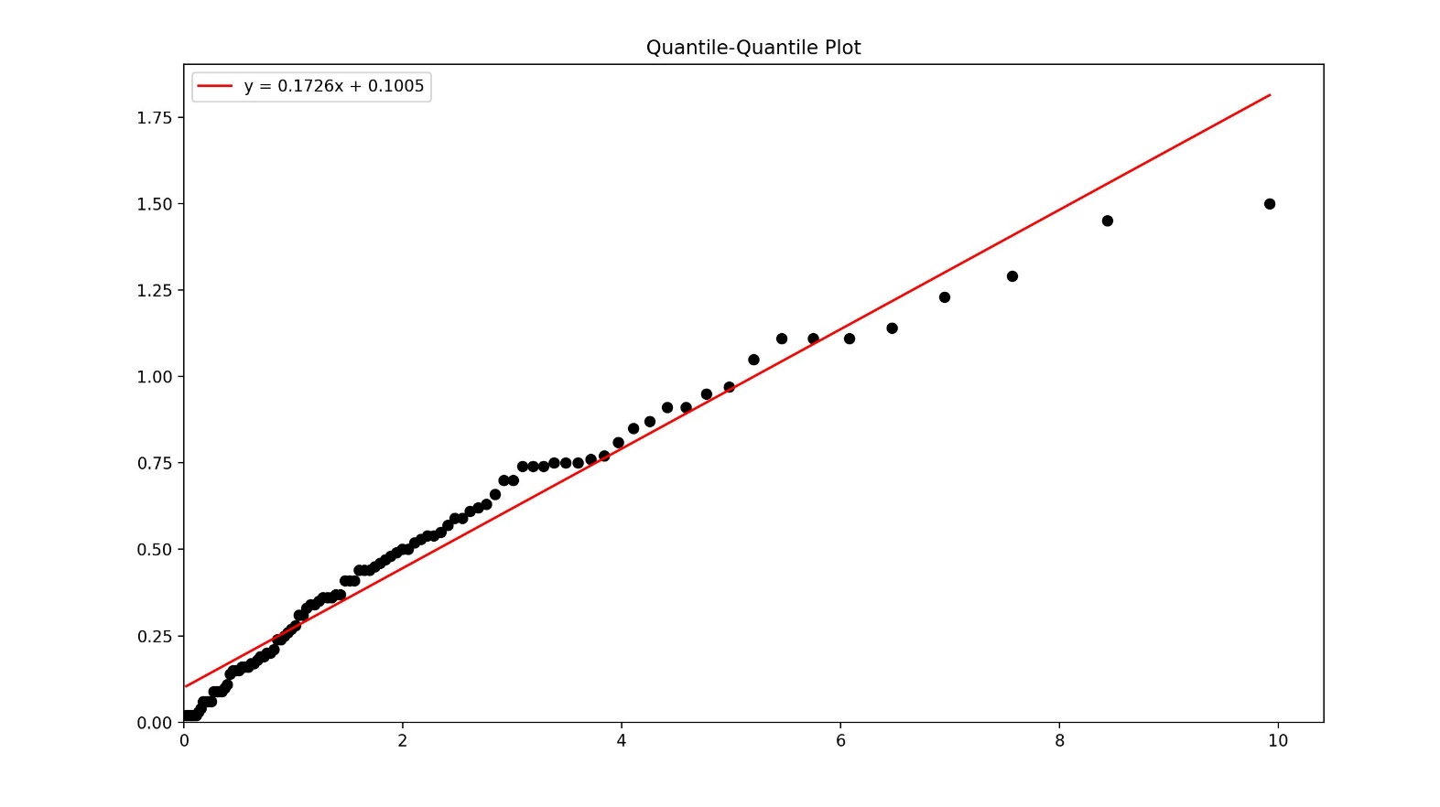
 | Service Time Interval | Frequency
Service Time Interval Frequency
0 0.02 - 0.17 24
1 0.17 - 0.32 16
2 0.32 - 0.47 17 |  |  |  |  |  |  |  |  |  | EXPONENTIAL VARIATES FOR SERVICE TIME FOR PRINTING BOARDING PASS
3 0.47 - 0.62 14 |  |  |  |  |  |  |  |  | [0.44 1.14 1.11 0.85 0.02 0.59 0.24 0.37 0.54 0.11 0.16 0.63 0.76 0.95
4 0.62 - 0.77 12 |  |  |  |  |  |  |  |  | 0.75 0.02 0.06 0.7 0.14 0.15 0.97 1.5 0.41 0.1 0.74 0.34 0.5 0.91
5 0.77 - 0.92 6 |  |  |  |  |  |  |  |  | 0.31 0.34 0.57 0.53 0.16 0.03 0.74 0.33 0.2 0.36 0.15 0.19 0.49 0.41
6 0.92 - 1.07 3 |  |  |  |  |  |  |  |  | 0.19 0.25 0.15 0.44 0.09 0.46 0.87 0.09 0.66 0.26 0.75 0.81 0.77 0.45
7 1.07 - 1.22 4 |  |  |  |  |  |  |  |  | 0.55 0.52 0.28 0.36 0.35 0.02 0.62 0.48 0.75 0.31 0.24 0.17 0.41 0.04
8 1.22 - 1.37 2 |  |  |  |  |  |  |  |  | 0.5 1.45 1.11 1.05 0.21 0.61 0.37 0.54 0.16 0.47 0.02 0.59 0.18 0.09
9 1.37 - 1.52 2 |  |  |  |  |  |  |  |  | 0.2 0.09 1.23 0.17 0.06 0.06 0.7 0.91 0.02 0.06 1.11 0.36 1.29 0.44
 |  |  |  |  |  |  |  |  | 0.74 0.27]

number of points | 100 | bin | bin lower range | bin upper range | range | observed frequency(Oi) | expected frequency(Ei) | (Oi-Ei)^2/Ei
number of bins | 10 | 1 | 0.02 | 0.17 | 0.02-0.17 | 24 | 26.208188818 | 0.18605245444 | chi square degree of freedom | 8
max value | 1.5 | 2 | 0.17 | 0.32 | 0.17-0.32 | 16 | 19.040568978 | 0.48554534915 | significance level | 0.05
min value | 0.02 | 3 | 0.32 | 0.47 | 0.32-0.47 | 17 | 13.833205703 | 0.72496472146 | chi square threshold | 15.5
data range | 1.52 | 4 | 0.47 | 0.62 | 0.47-0.62 | 14 | 10.049992741 | 1.5524943894
bin width | 0.15 | 5 | 0.62 | 0.77 | 0.62-0.77 | 12 | 7.3014423603 | 3.023572988
sample mean | 0.47 | 6 | 0.77 | 0.92 | 0.77-0.92 | 6 | 5.3045869697 | 0.091166246398
sample variance | 0.12 | 7 | 0.92 | 1.07 | 0.92-1.07 | 3 | 3.853847162 | 0.18917589242
 |  | 8 | 1.07 | 1.22 | 1.07-1.22 | 4 | 2.7998669893 | 0.51442416687
 |  | 9 | 1.22 | 1.37 | 1.22-1.37 | 2 | 2.0341375328 | 0.00057290676017 | yellow means distribution passes
 |  | 10 | 1.37 | 1.52 | 1.37-1.52 | 2 | 1.4778257389 | 0.18450481123
 |  |  |  |  |  | 100 |  | 6.9524739261

service time checkingbags
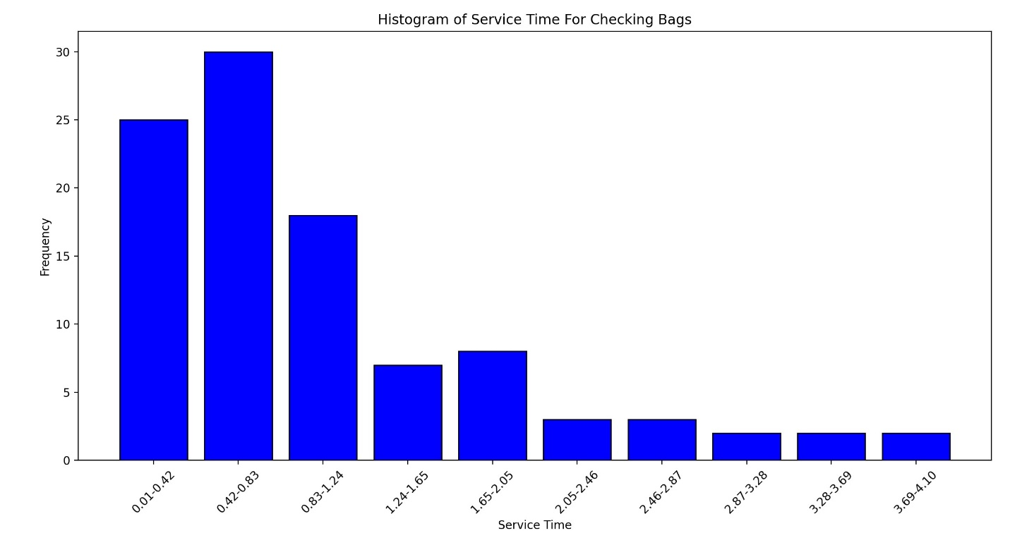
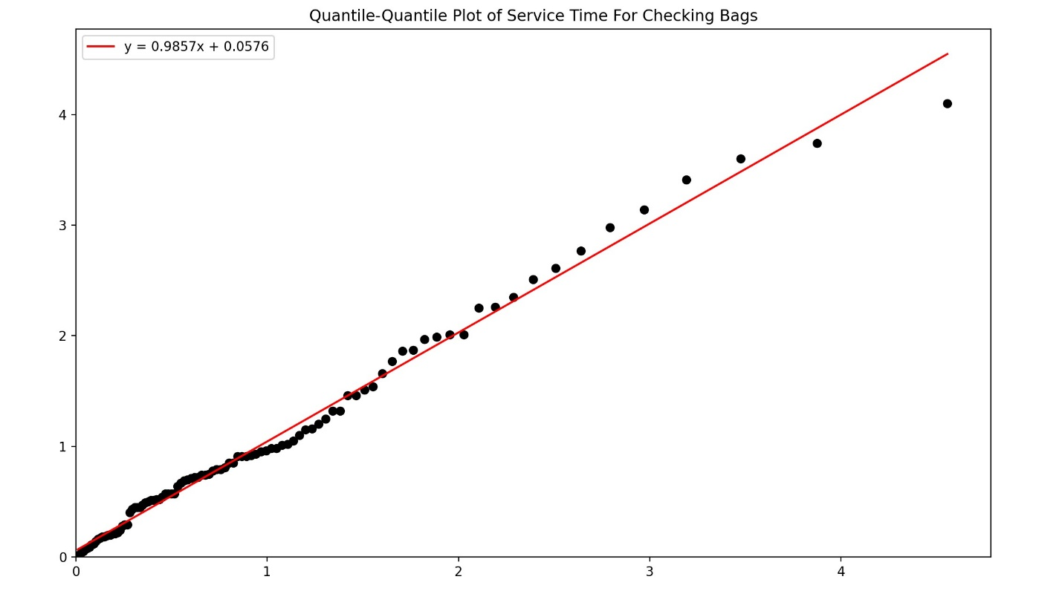
 |  |  |  |  |  |  |  |  |  |  | EXPONENTIAL VARIATES
Interval Frequency |  |  |  |  |  |  |  |  |  | 3.41, 0.79, 3.6, 1.25, 1.2, 0.24, 3.74, 0.01, 0.29, 0.57, 1.51, 0.22, 1.99, 4.1,
0 0.01-0.42 25 |  |  |  |  |  |  |  |  |  | 0.18, 0.91, 0.01, 0.49, 0.05, 3.14, 0.57, 2.98, 1.54, 2.01, 0.19, 0.08, 0.92, 0.18,
1 0.42-0.83 30 |  |  |  |  |  |  |  |  |  | 1.32, 0.52, 0.75, 2.77, 0.74, 0.11, 0.17, 0.79, 0.74, 1.02, 0.51, 1.05, 0.51, 0.98,
2 0.83-1.24 18 |  |  |  |  |  |  |  |  |  | 1.46, 0.2, 0.47, 0.7, 1.16, 0.29, 0.81, 0.98, 2.26, 0.45, 1.01, 0.21, 0.69, 0.2,
3 1.24-1.65 7 |  |  |  |  |  |  |  |  |  | 2.51, 0.57, 1.77, 0.54, 2.35, 0.52, 0.4, 0.85, 1.87, 1.97, 0.91, 0.09, 0.91, 0.28,
4 1.65-2.05 8 |  |  |  |  |  |  |  |  |  | 1.32, 2.25, 0.72, 0.93, 0.07, 0.78, 0.14, 0.95, 0.45, 1.46, 0.05, 0.12, 1.15, 0.72,
5 2.05-2.46 3 |  |  |  |  |  |  |  |  |  | 0.85, 1.86, 0.67, 1.66, 0.71, 2.61, 1.1, 0.16, 0.45, 2.01, 0.43, 0.21, 0.64, 0.5,
6 2.46-2.87 3 |  |  |  |  |  |  |  |  |  | 0.96, 0.57
7 2.87-3.28 2
8 3.28-3.69 2
9 3.69-4.10 2

 | number of points | 100 | bin | bin lower range | bin upper range | range | observed frequency(Oi) | expected frequency(Ei) | (Oi-Ei)^2/Ei
 | number of bins | 10 | 1 | 0.01 | 0.42 | 0.01-0.42 | 25 | 32.496890739 | 1.7294999451
 | max value | 4.1 | 2 | 0.42 | 0.83 | 0.42-0.83 | 30 | 21.833476587 | 3.0545801716 |  |  | chi square degree of freedom | 8
 | min value | 0.01 | 3 | 0.83 | 1.24 | 0.83-1.24 | 18 | 14.66911723 | 0.75633590292 |  |  | significance level | 0.05
 | data range | 4.1 | 4 | 1.24 | 1.65 | 1.24-1.65 | 7 | 9.855645273 | 0.82741512093 |  |  | chi square threshold | 15.5
 | bin width | 0.41 | 5 | 1.65 | 2.05 | 1.65-2.05 | 8 | 6.4894972526 | 0.35158633423
 | sample mean | 1.03 | 6 | 2.05 | 2.46 | 2.05-2.46 | 3 | 4.4922083362 | 0.49567730432
 | sample variance | 0.77 | 7 | 2.46 | 2.87 | 2.46-2.87 | 3 | 3.0181510693 | 0.00010915998169
 |  |  | 8 | 2.87 | 3.28 | 2.87-3.28 | 2 | 2.0277857114 | 0.00038073340597
 |  |  | 9 | 3.28 | 3.69 | 3.28-3.69 | 2 | 1.3623953199 | 0.29840070803
 |  |  | 10 | 3.69 | 4.1 | 3.69-4.1 | 2 | 0.91534376499 | 1.2852866793 |  |  | yellow means distribution passes
 |  |  |  |  |  |  | 100 |  | 8.7992720598

service timeproblems and delays
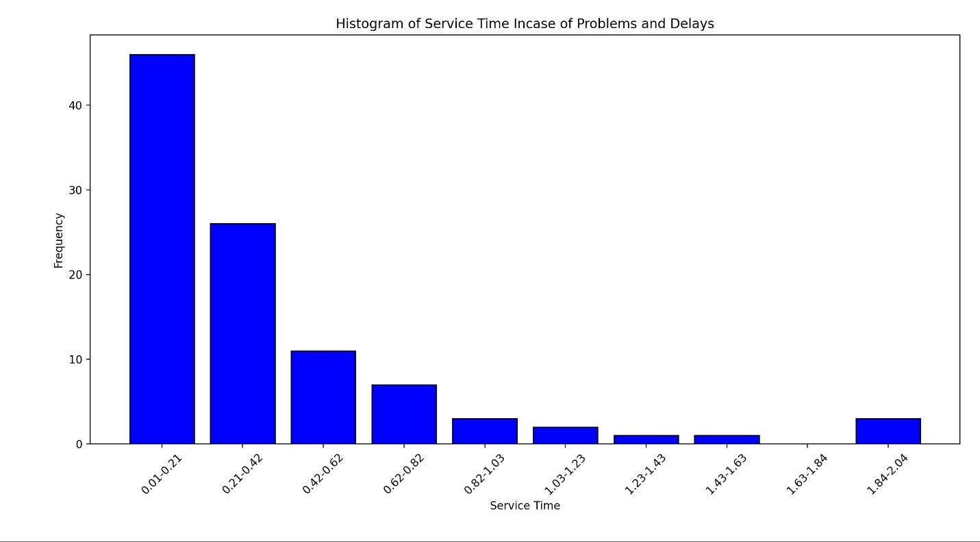
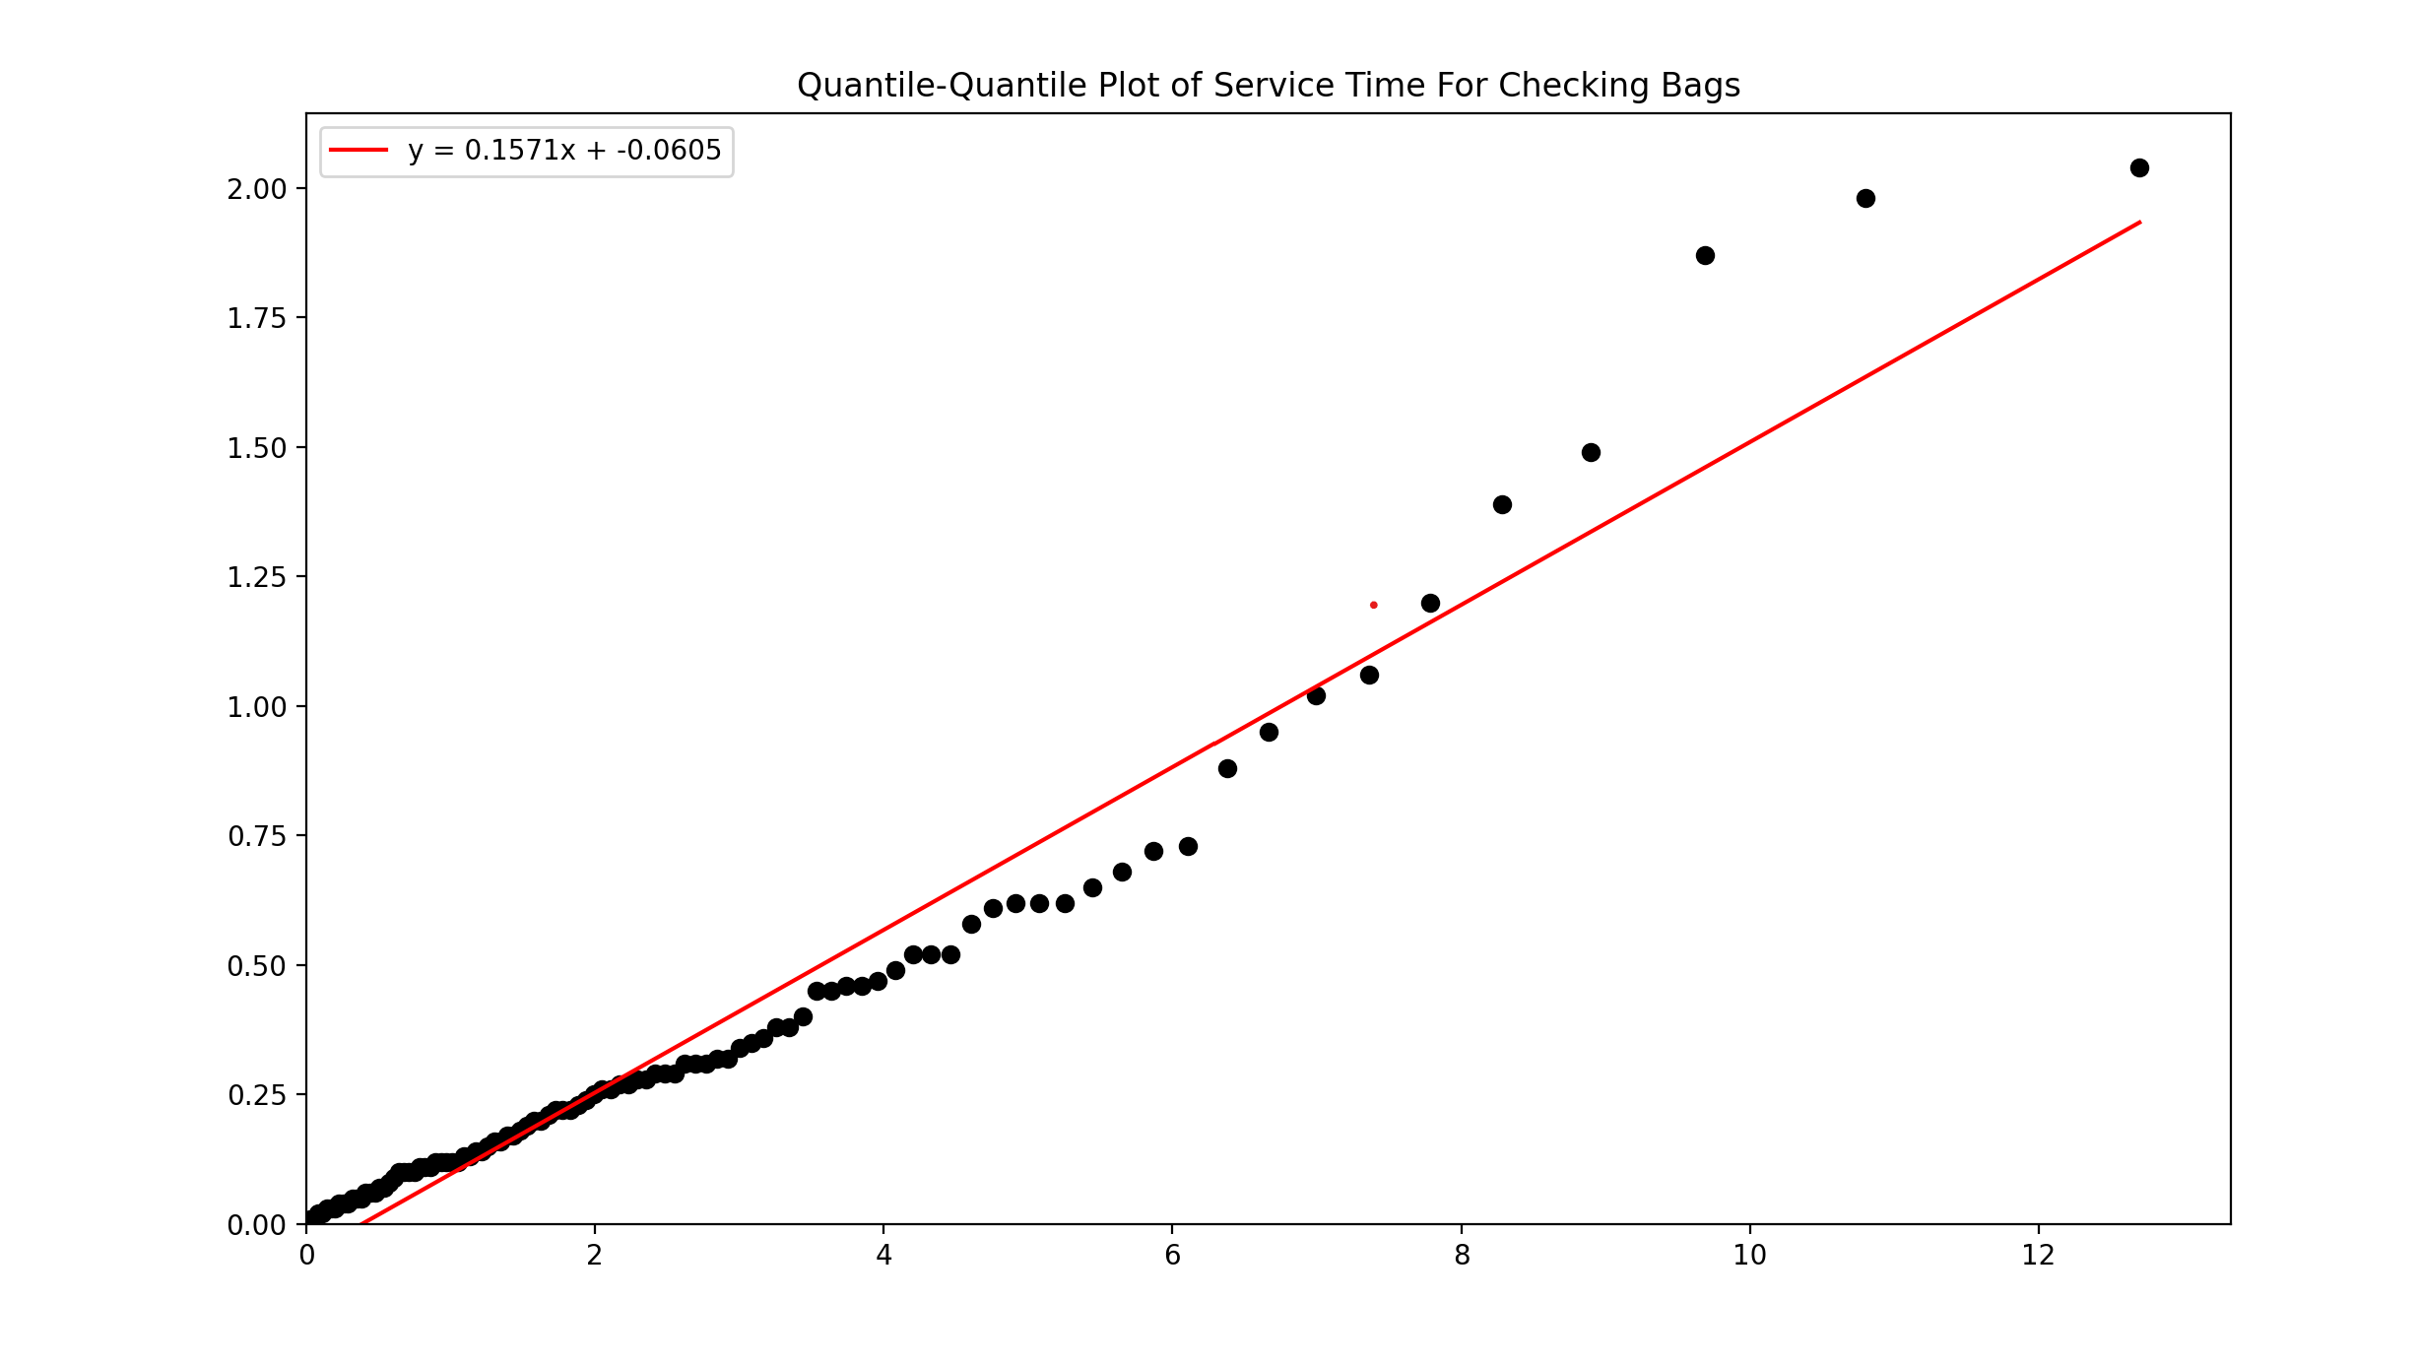
Interval Frequency |  |  |  |  |  |  |  |  |  | Rounded Exponential Variates: [1.2 0.11 1.98 0.02 0.06 0.38 0.52 0.05 0.14 0.29 0.72 1.02 1.87 0.65
0 0.01-0.21 46 |  |  |  |  |  |  |  |  |  | 0.27 0.05 0.46 0.62 0.29 0.62 0.04 0.12 0.07 0.07 0.21 0.12 0.4 0.31
1 0.21-0.42 26 |  |  |  |  |  |  |  |  |  | 0.02 0.14 0.13 2.04 0.15 0.1 0.61 0.22 0.62 0.32 0.45 0.28 0.47 0.31
2 0.42-0.62 11 |  |  |  |  |  |  |  |  |  | 0.01 0.22 0.68 0.25 0.73 0.12 0.49 0.1 0.12 0.18 0.88 0.11 0.22 0.29
3 0.62-0.82 7 |  |  |  |  |  |  |  |  |  | 0.52 0.01 0.12 0.23 0.16 0.09 0.52 0.03 0.32 0.2 0.34 0.11 0.06 0.31
4 0.82-1.03 3 |  |  |  |  |  |  |  |  |  | 0.38 0.95 0.04 0.03 0.03 0.17 0.17 0.08 0.04 0.16 0.35 0.24 1.39 0.1
5 1.03-1.23 2 |  |  |  |  |  |  |  |  |  | 0.58 0.05 0.19 0.06 0.46 0.26 0.36 0.28 0.26 0.2 0.13 1.49 0.45 1.06
6 1.23-1.43 1 |  |  |  |  |  |  |  |  |  | 0.1 0.27]
7 1.43-1.63 1
8 1.63-1.84 0
9 1.84-2.04 3
 | number of points | 100 | bin | bin lower range | bin upper range | range | observed frequency(Oi) | expected frequency(Ei) | (Oi-Ei)^2/Ei |  | chi square degree of freedom | 8
 | number of bins | 10 | 1 | 0.01 | 0.21 | 0.01-0.21 | 46 | 39.841848224 | 0.95183418899 |  | significance level | 0.05
 | max value | 2.04 | 2 | 0.21 | 0.42 | 0.21-0.42 | 26 | 24.428095758 | 0.10114922461 |  | chi square threshold | 15.5
 | min value | 0.01 | 3 | 0.42 | 0.62 | 0.42-0.62 | 11 | 13.553134145 | 0.48095841846
 | data range | 2.04 | 4 | 0.62 | 0.82 | 0.62-0.82 | 7 | 8.0094157858 | 0.12721529957
 | bin width | 0.2 | 5 | 0.82 | 1.03 | 0.82-1.03 | 3 | 4.9107856313 | 0.74348627753
 | sample mean | 0.38 | 6 | 1.03 | 1.23 | 1.03-1.23 | 2 | 2.7245896315 | 0.19270062836
 | sample variance | 0.16 | 7 | 1.23 | 1.43 | 1.23-1.43 | 1 | 1.6101346722 | 0.23120073409
 |  |  | 8 | 1.43 | 1.63 | 1.43-1.63 | 1 | 0.95153179496 | 0.0024688264883 |  | yellow means distribution passes
 |  |  | 9 | 1.63 | 1.84 | 1.63-1.84 | 0 | 0.58340942603 | 0.58340942603
 |  |  | 10 | 1.84 | 2.04 | 1.84-2.04 | 3 | 0.32368573837 | 10.12843
 |  |  |  |  |  |  | 100 |  | 13.542853024

servicetimefor screeningmachine
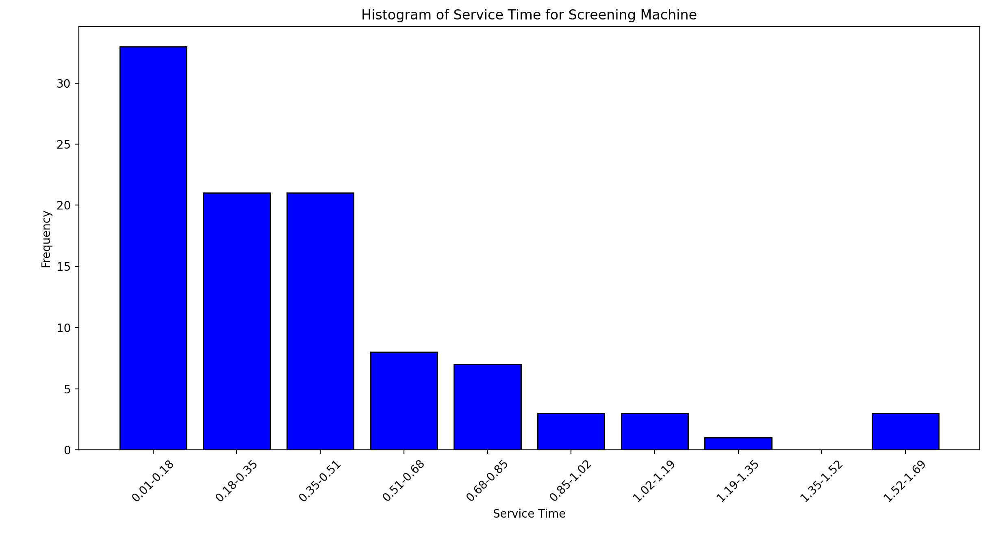
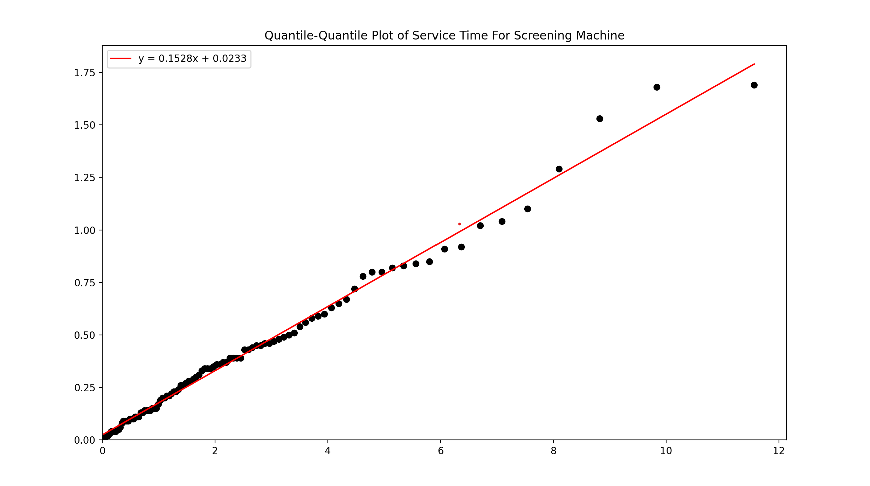
Interval Frequency |  |  |  |  |  |  |  | Rounded Exponential Variates: [0.39 0.02 0.37 0.27 0.03 0.17 0.23 0.13 0.14 0.15 0.63 0.2 0.13 0.15
0 0.01-0.18 33 |  |  |  |  |  |  |  | 0.2 0.82 0.21 0.11 0.83 0.21 0.26 0.39 0.59 0.34 0.35 1.02 0.28 0.34
1 0.18-0.35 21 |  |  |  |  |  |  |  | 0.01 0.46 0.65 0.22 0.09 0.23 0.05 0.06 0.04 0.09 0.36 0.31 0.36 0.84
2 0.35-0.51 21 |  |  |  |  |  |  |  | 1.04 0.58 0.05 0.49 0.28 0.46 0.1 0.72 0.11 0.1 0.19 0.43 0.04 0.02
3 0.51-0.68 8 |  |  |  |  |  |  |  | 0.78 0.34 0.91 0.8 0.04 0.45 0.47 0.14 1.53 0.3 0.08 0.51 0.56 0.39
4 0.68-0.85 7 |  |  |  |  |  |  |  | 0.37 0.54 1.29 0.14 1.69 0.14 1.68 0.29 0.45 0.43 0.6 0.24 0.48 0.09
5 0.85-1.02 3 |  |  |  |  |  |  |  | 0.33 1.1 0.11 0.01 0.1 0.92 0.67 0.26 0.04 0.8 0.85 0.5 0.39 0.09
6 1.02-1.19 3 |  |  |  |  |  |  |  | 0.15 0.44]
7 1.19-1.35 1
8 1.35-1.52 0
9 1.52-1.69 3
 | number of points | 100 | bin | bin lower range | bin upper range | range | observed frequency(Oi) | expected frequency(Ei) | (Oi-Ei)^2/Ei | chi square degree of freedom | 8
 | number of bins | 10 | 1 | 0.01 | 0.18 | 0.01-0.18 | 33 | 33.768176041 | 0.017474868312 | significance level | 0.05
 | max value | 1.69 | 2 | 0.18 | 0.35 | 0.18-0.35 | 21 | 22.076613194 | 0.052503341885 | chi square threshold | 15.5
 | min value | 0.01 | 3 | 0.35 | 0.51 | 0.35-0.51 | 21 | 13.743105146 | 1.83192316
 | data range | 1.69 | 4 | 0.51 | 0.68 | 0.51-0.68 | 8 | 9.6747444169 | 0.28990624878
 | bin width | 0.17 | 5 | 0.68 | 0.85 | 0.68-0.85 | 7 | 6.3250555786 | 0.072023078108
 | sample mean | 0.4 | 6 | 0.85 | 1.02 | 0.85-1.02 | 3 | 4.1351302266 | 0.31160339836
 | sample variance | 0.12 | 7 | 1.02 | 1.19 | 1.02-1.19 | 3 | 2.7034231997 | 0.03253571194
 |  |  | 8 | 1.19 | 1.35 | 1.19-1.35 | 1 | 1.6829315692 | 0.27713279423 | yellow means distribution passes
 |  |  | 9 | 1.35 | 1.52 | 1.35-1.52 | 0 | 1.1847346456 | 1.1847346456
 |  |  | 10 | 1.52 | 1.69 | 1.52-1.69 | 3 | 0.77454371466 | 10.12843
 |  |  |  |  |  |  | 100 |  | 14.198267247

geometric provincial bags
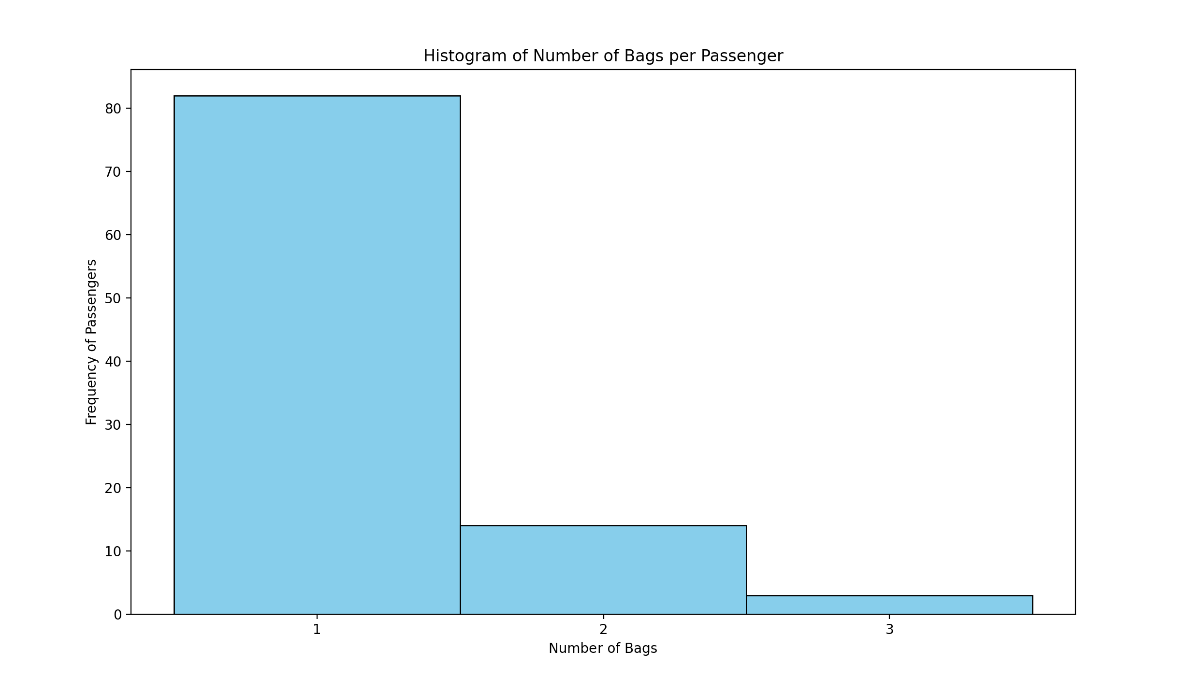
 | RANDOM NUMBERS
[3, 1, 1, 1, 1, 1, 1, 1, 1, 1, 1, 2, 1, 1, 1, 2, 3, 2, 1, 2, 2, 1, 2, 1, 3, 1, 1, 1, 1, 1, 1, 1, 2, 1, 1, 1, 1, 1, 1, 1, 1, 1, 1, 1, 1, 1, 1, 1, 1, 1, 1, 1, 2, 2, 1, 2, 1, 1, 2, 1, 1, 1, 1, 2, 1, 1, 1, 1, 1, 1, 1, 1, 1, 1, 1, 1, 1, 1, 2, 1, 1, 1, 1, 1, 2, 1, 1, 1, 1, 1, 1, 1, 1, 1, 1, 1, 1, 1, 1, 1]

Number of Bags Frequency |  | N | 100
0 1 82 | 83 | Mean | 1.2
1 2 14 |  | 1/X | 0.83 |  |  | Number of Bags | 1 | 2 | 3
2 3 3 |  | P(1) | 0.83 |  |  | Frequency | 83 | 14 | 3
 |  | P(2) | 0.1411
 |  | P(3) | 0.023987
 |  | E=N(Pi) |  | X | Observed(Oi) | Expected(Ei) | (Oi-Ei)^2/Ei |  | chi square degree of freedom | 1
 |  | Variance | 0.24677021338 | 1 | 83 | 83 | 0 |  | significance level | 0.05
 |  |  |  | 2 | 14 | 14.11 | 0.00085754783841 |  | chi square threshold | 3.84
 |  |  |  | 3 | 3 | 2.3987 | 0.15073235086
 |  |  |  |  | 100 |  | 0.1515898987

 |  |  |  |  |  |  |  |  | yellow means distribution passes

geometric commuter bags
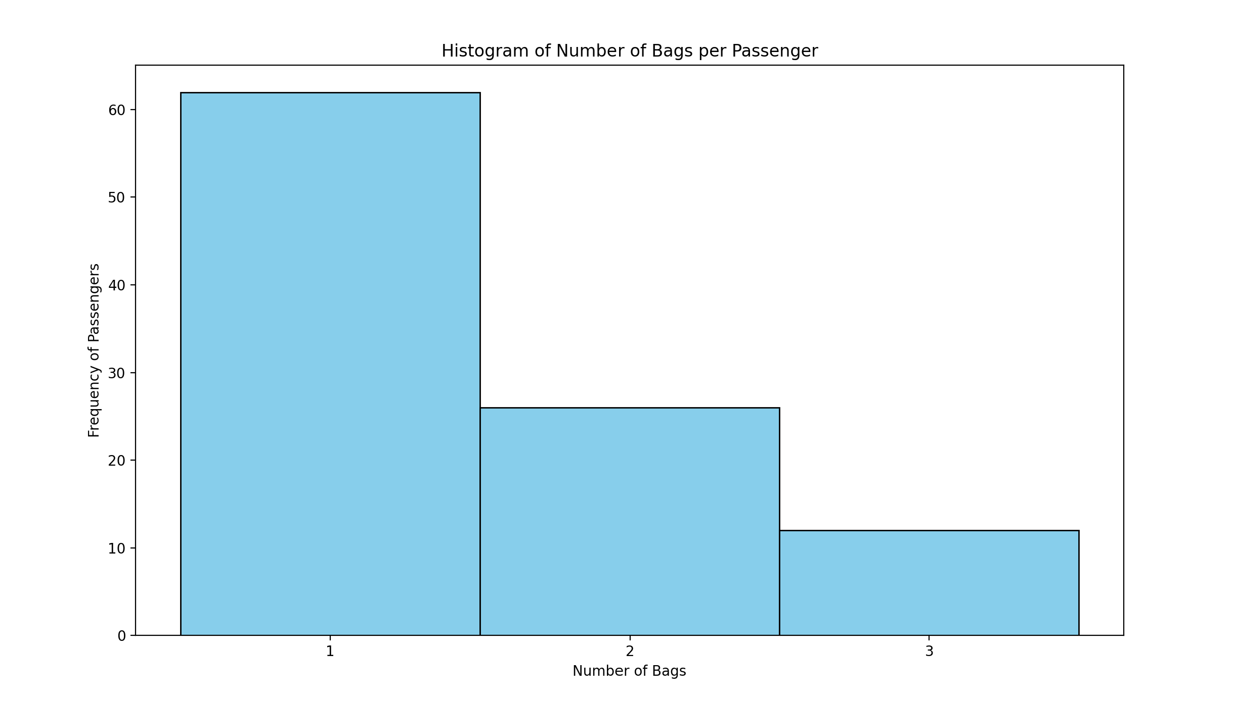
 |  |  | [3, 2, 1, 1, 2, 1, 1, 2, 2, 1, 1, 3, 1, 3, 2, 1, 2, 2, 1, 2, 1, 3, 1, 1, 2, 1, 1, 1, 2, 1, 1, 1, 1, 1, 1, 2, 1, 1, 3, 2, 1, 1, 1, 1, 1, 2, 2, 1, 3, 1, 1, 3, 1, 1, 2, 2, 1, 2, 1, 1, 2, 1, 1, 1, 1, 1, 2, 2, 1, 1, 1, 2, 2, 1, 1, 1, 1, 1, 1, 1, 1, 1, 3, 2, 2, 1, 3, 1, 1, 1, 1, 1, 3, 1, 3, 3, 1, 1, 2, 2]
Number of Bags Frequency
0 1 62
1 2 26
2 3 12

 | N | 100
 | Mean | 1.5
 | 1/X | 0.66666666667 |  |  |  | Number of Bags | 1 | 2 | 3
 | P(1) | 0.66666666667 |  |  |  | Frequency | 62 | 26 | 12
 | P(2) | 0.22222222222
 | P(3) | 0.074074074074
 | E=N(Pi) |  |  | X | Observed(Oi) | Expected(Ei) | (Oi-Ei)^2/Ei |  | chi square degree of freedom | 1
 | Variance | 0.75 |  | 1 | 62 | 66.666666667 | 0.32666666667 |  | significance level | 0.05
 |  |  |  | 2 | 26 | 22.222222222 | 0.64222222222 |  | chi square threshold | 3.84
 |  |  |  | 3 | 12 | 7.4074074074 | 2.8474074074
 |  |  |  |  | 100 |  | 3.8162962963

 |  |  |  |  |  |  |  |  | yellow means distribution passes

provincial passengers normal
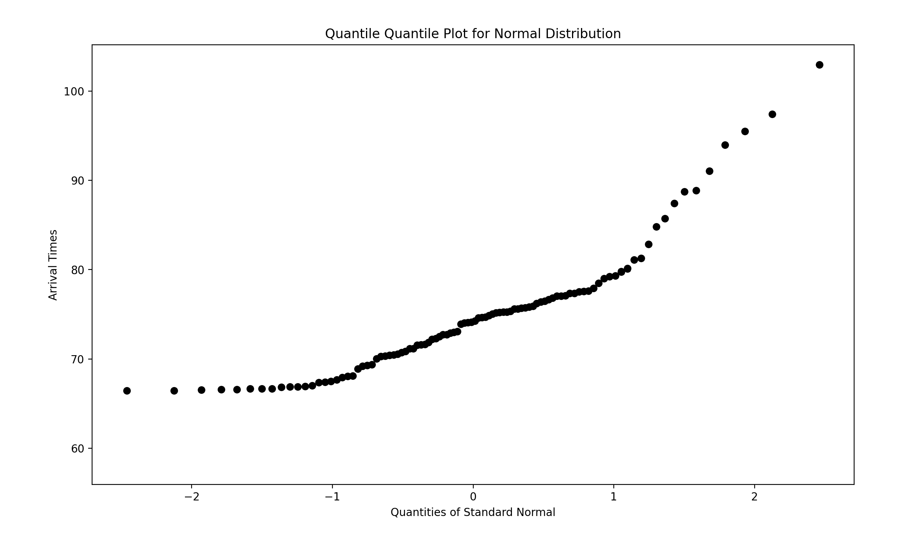
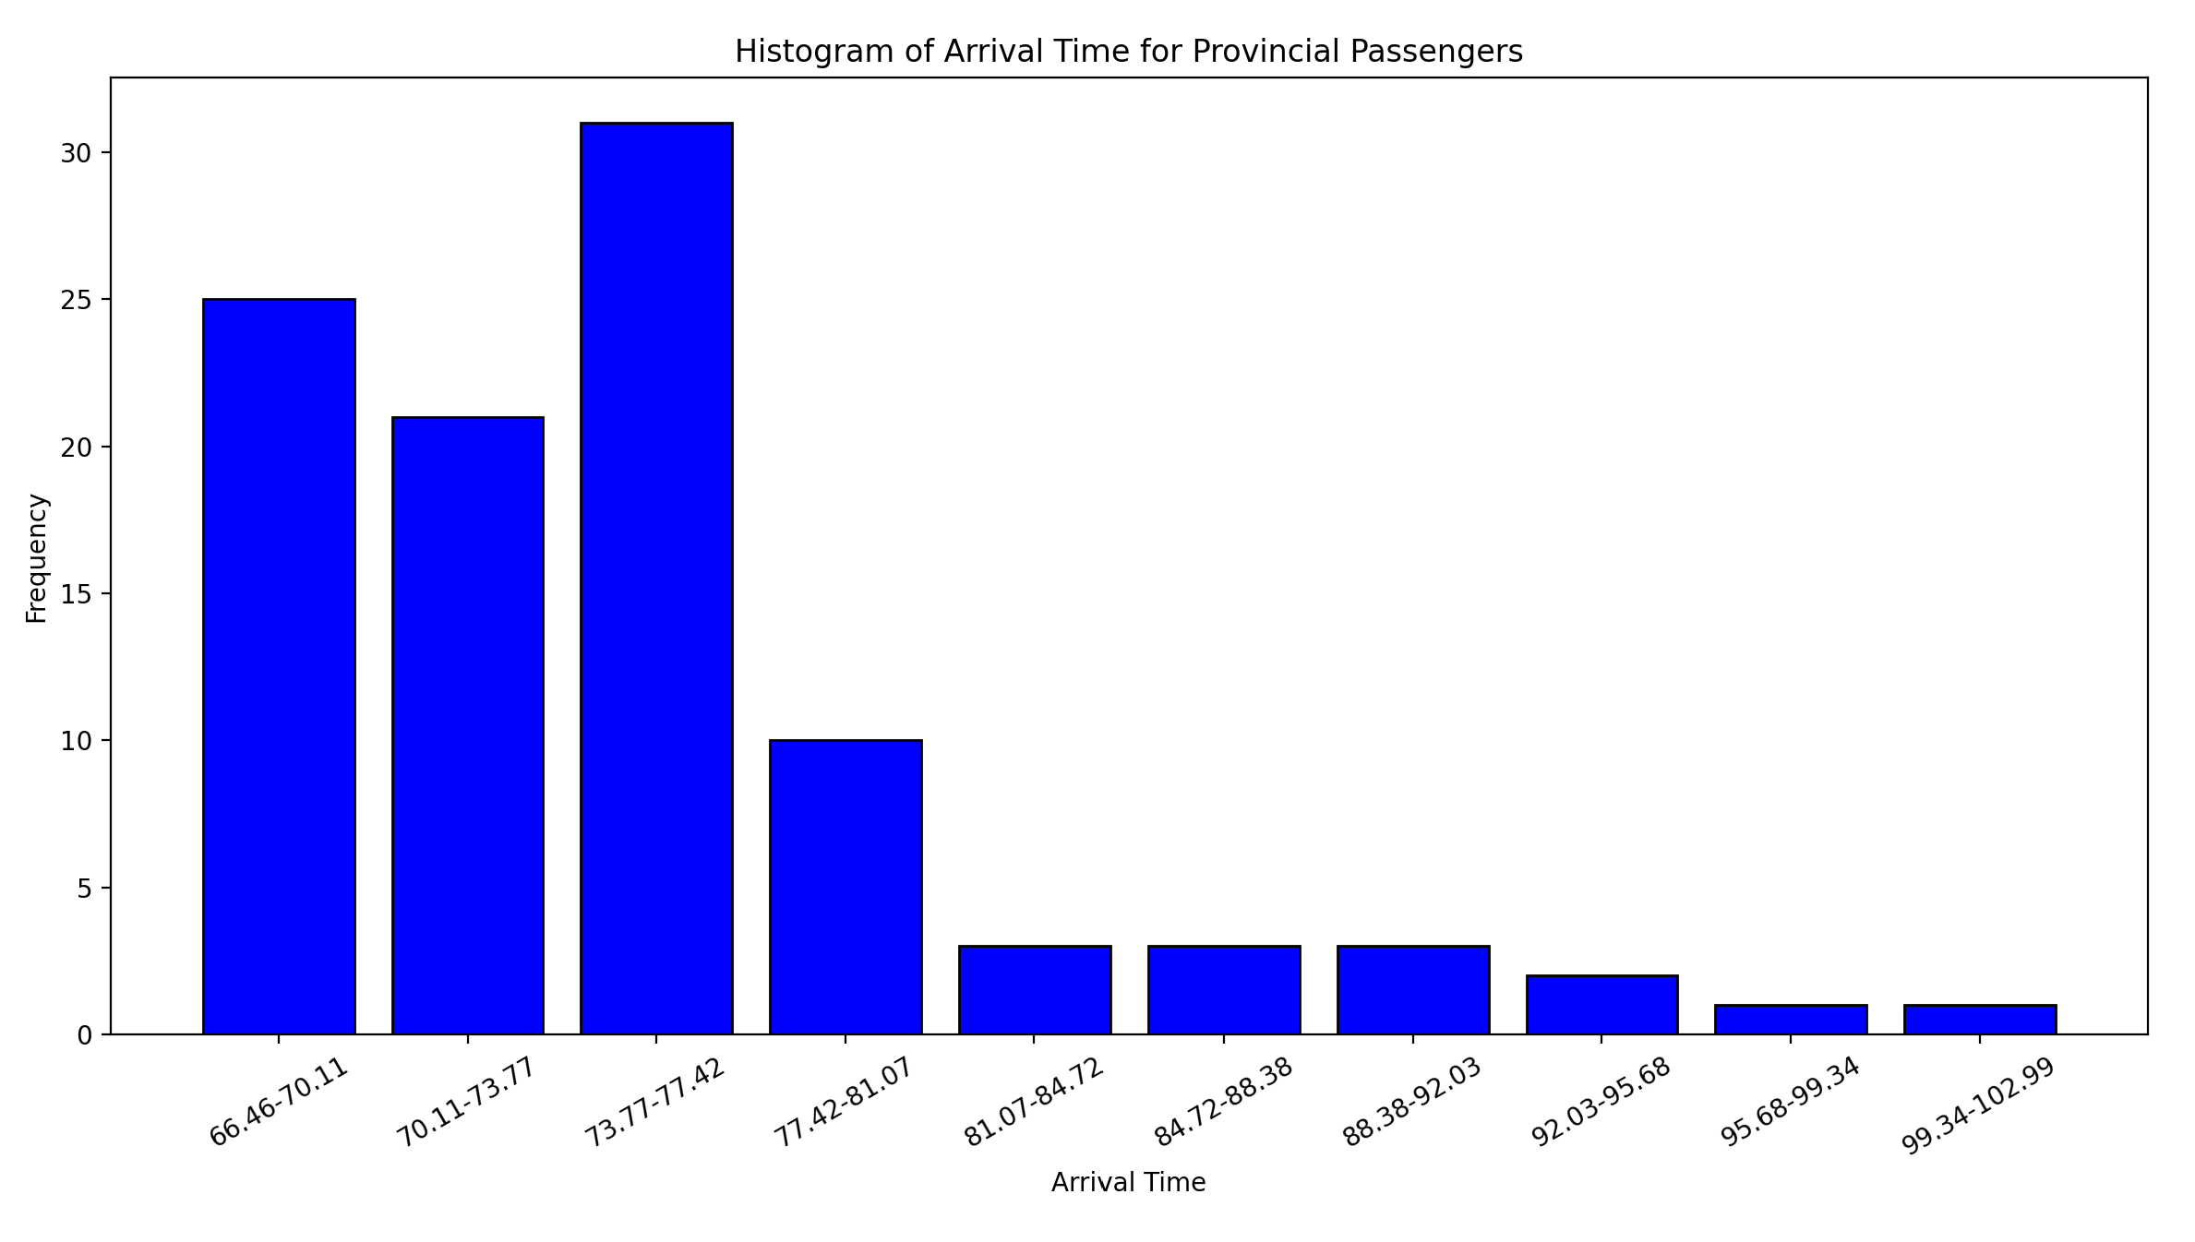
Interval Frequency |  |  |  |  | [ 74.08 80.15 69.38 77.39 66.46 71.16 75.08 71.87 66.66 69.22
0 66.46-70.11 25 |  |  |  |  | 74.64 72.51 74.69 76.25 72.94 73.08 70.43 70.72 70.33 67.02
1 70.11-73.77 21 |  |  |  |  | 72.31 75.85 77.54 94.01 66.46 77.63 95.51 88.88 72.22 81.28
2 73.77-77.42 31 |  |  |  |  | 79.33 66.55 72.73 67.39 73.92 79.8 68.07 76.85 69.28 70.48
3 77.42-81.07 10 |  |  |  |  | 70.88 75.36 66.59 70.03 66.9 71.63 85.74 75.72 70.57 74.14
4 81.07-84.72 3 |  |  |  |  | 68.92 66.91 74.7 67.5 75.2 70.29 71.16 102.99 97.45 76.41
5 84.72-88.38 3 |  |  |  |  | 87.45 77.08 77.36 66.92 74.26 67.67 67.93 73.02 79.03 76.68
6 88.38-92.03 3 |  |  |  |  | 77.12 75.75 77.62 68.1 82.84 75.93 91.04 74.04 79.26 75.63
7 92.03-95.68 2 |  |  |  |  | 88.74 71.56 81.08 71.66 84.81 66.86 72.76 75.3 67.41 75.64
8 95.68-99.34 1 |  |  |  |  | 74.91 66.58 76.52 75.27 66.67 77.96 78.5 66.66 75.23 77.07]
9 99.34-102.99 1

 | number of points | 100 | bin | bin lower range | bin upper range | range | observed frequency(Oi) | MERGED CELLS | expected frequency(Ei) | MERGED CELLS | (Oi-Ei)^2/Ei
 | number of bins | 10 | 1 | 66.46 | 70.11 | 66.46-70.11 | 25 |  | 22.9228922 |  | 0.18821258571
 | max value | 102.99 | 2 | 70.11 | 73.77 | 70.11-73.77 | 21 |  | 18.868285896 |  | 0.24083825357 |  | chi square degree of freedom | 7
 | min value | 66.46 | 3 | 73.77 | 77.42 | 73.77-77.42 | 31 |  | 20.96687501 |  | 4.8010777479 |  | significance level | 0.05
 | data range | 102.99 | 4 | 77.42 | 81.07 | 77.42-81.07 | 10 |  | 17.701264163 |  | 1.35057582 |  | chi square threshold | 14.1
 | bin width | 3.65 | 5 | 81.07 | 84.72 | 81.07-84.72 | 3 |  | 11.326884639 |  | 6.1214543981
 | sample mean | 75.19 | 6 | 84.72 | 88.38 | 84.72-88.38 | 3 | 10 | 5.5022265591 | 8.1925850346 | 0.4 | E1<10 Combine values
 | sample variance | 46.95 | 7 | 88.38 | 92.03 | 88.38-92.03 | 3 |  | 2.012371415
 | Standard ddeviation | 6.8520070053 | 8 | 92.03 | 95.68 | 92.03-95.68 | 2 |  | 0.55987779815
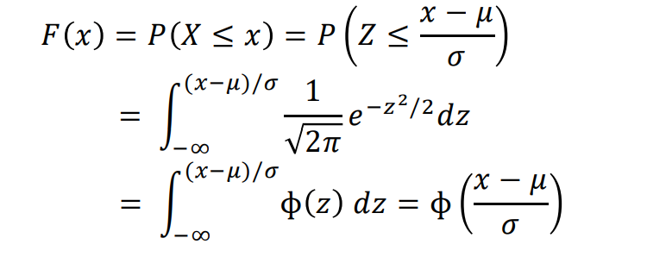
 |  |  | 9 | 95.68 | 99.34 | 95.68-99.34 | 1 |  | 0.11810926231
 |  |  | 10 | 99.34 | 102.99 | 99.34-102.99 | 1 |  | 0 |  |  |  | yellow means distribution passes
 |  |  |  |  |  |  | 100 |  | 99.978786943 |  | 13.102158805

 |  | NORMDIST WAS USED FOR CALCULATIONS
 |  | bin lower range | bin upper range | range | observed frequency(Oi) | P(X<Lower) | P(X<upper) |  | P(L<X<U) |  | Ei
 |  | 66.46 | 70.11 | 66.46-70.11 | 25 | 0 | 0.229228922 |  | 0.229228922 |  | 22.9228922
 |  | 70.11 | 73.77 | 70.11-73.77 | 21 | 0.22922892204 | 0.417911781 |  | 0.18868285896 |  | 18.868285896
 |  | 73.77 | 77.42 | 73.77-77.42 | 31 | 0.4179117809 | 0.627580531 |  | 0.2096687501 |  | 20.96687501
 |  | 77.42 | 81.07 | 77.42-81.07 | 10 | 0.62758053137 | 0.804593173 |  | 0.17701264163 |  | 17.701264163
 |  | 81.07 | 84.72 | 81.07-84.72 | 3 | 0.80459317261 | 0.917862019 |  | 0.11326884639 |  | 11.326884639
 |  | 84.72 | 88.38 | 84.72-88.38 | 3 | 0.91786201941 | 0.972884285 |  | 0.055022265591 |  | 5.5022265591
 |  | 88.38 | 92.03 | 88.38-92.03 | 3 | 0.97288428485 | 0.993007999 |  | 0.02012371415 |  | 2.012371415
 |  | 92.03 | 95.68 | 92.03-95.68 | 2 | 0.99300799902 | 0.998606777 |  | 0.0055987779815 |  | 0.55987779815
 |  | 95.68 | 99.34 | 95.68-99.34 | 1 | 0.99860677738 | 0.99978787 |  | 0.0011810926231 |  | 0.11810926231
 |  | 99.34 | 102.99 | 99.34-102.99 | 1 | 0.99978787043 | 0.99978787043 |  | 0 |  | 0

